T-SHIRT INVENTORY
1ST QUALITY CHAMPION PERFORMANCE TEES |  |  |  |  |  | 2025-04-21

1Q ADULT SHORT SLEEVE T-SHIRTS

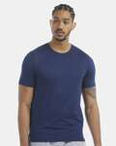
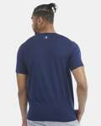
ITEM DESCRIPTION | STYLE # | COLOR | SIZE | PIECES | CASE PACK | CASES
1Q CHAMPION ADULT T-SHIRT | CHP160 | ATHLETIC NAVY | SM | 168 | 24 | 7
1Q CHAMPION ADULT T-SHIRT | CHP160 | ATHLETIC NAVY | MD | 432 | 24 | 18
1Q CHAMPION ADULT T-SHIRT | CHP160 | ATHLETIC NAVY | LG | 504 | 24 | 21
1Q CHAMPION ADULT T-SHIRT | CHP160 | ATHLETIC NAVY | XL | 384 | 24 | 16
1Q CHAMPION ADULT T-SHIRT | CHP160 | ATHLETIC NAVY | 2X | 120 | 24 | 5

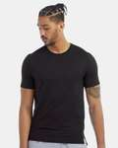
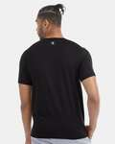
1Q CHAMPION ADULT T-SHIRT | CHP160 | BLACK | SM | 408 | 24 | 17
1Q CHAMPION ADULT T-SHIRT | CHP160 | BLACK | MD | 888 | 24 | 37
1Q CHAMPION ADULT T-SHIRT | CHP160 | BLACK | LG | 1,128 | 24 | 47
1Q CHAMPION ADULT T-SHIRT | CHP160 | BLACK | XL | 912 | 24 | 38
1Q CHAMPION ADULT T-SHIRT | CHP160 | BLACK | 2X | 264 | 24 | 11

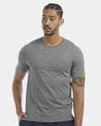
1Q CHAMPION ADULT T-SHIRT | CHP160 | RAILROAD GRAY HEATHER | SM | 144 | 24 | 6
1Q CHAMPION ADULT T-SHIRT | CHP160 | RAILROAD GRAY HEATHER | MD | 408 | 24 | 17
1Q CHAMPION ADULT T-SHIRT | CHP160 | RAILROAD GRAY HEATHER | LG | 504 | 24 | 21
1Q CHAMPION ADULT T-SHIRT | CHP160 | RAILROAD GRAY HEATHER | XL | 408 | 24 | 17
1Q CHAMPION ADULT T-SHIRT | CHP160 | RAILROAD GRAY HEATHER | 2X | 96 | 24 | 4

1Q CHAMPION ADULT T-SHIRT | CHP160 | WHITE | SM | 408 | 24 | 17
1Q CHAMPION ADULT T-SHIRT | CHP160 | WHITE | MD | 456 | 24 | 19
1Q CHAMPION ADULT T-SHIRT | CHP160 | WHITE | LG | 552 | 24 | 23
1Q CHAMPION ADULT T-SHIRT | CHP160 | WHITE | XL | 432 | 24 | 18
1Q CHAMPION ADULT T-SHIRT | CHP160 | WHITE | 2X | 120 | 24 | 5

1Q ADULT MUSCLE T-SHIRTS

ITEM DESCRIPTION | STYLE # | COLOR | SIZE | PIECES | CASE PACK | CASES
1Q CHAMPION ADULT MUSCLE T-SHIRT | CHP170 | BLACK | SM | 480 | 24 | 20
1Q CHAMPION ADULT MUSCLE T-SHIRT | CHP170 | BLACK | MD | 960 | 24 | 40
1Q CHAMPION ADULT MUSCLE T-SHIRT | CHP170 | BLACK | LG | 1,320 | 24 | 55
1Q CHAMPION ADULT MUSCLE SHIRT | CHP170 | BLACK | XL | 1,080 | 24 | 45
1Q CHAMPION ADULT MUSCLE SHIRT | CHP170 | BLACK | 2X | 336 | 24 | 14

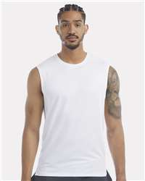
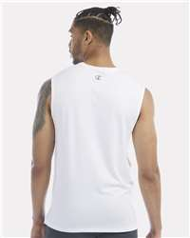
1Q CHAMPION ADULT MUSCLE SHIRT | CHP170 | WHITE | SM | 360 | 24 | 15
1Q CHAMPION ADULT MUSCLE SHIRT | CHP170 | WHITE | MD | 1,080 | 24 | 45
1Q CHAMPION ADULT MUSCLE T-SHIRT | CHP170 | WHITE | LG | 1,320 | 24 | 55
1Q CHAMPION ADULT MUSCLE T-SHIRT | CHP170 | WHITE | XL | 1,080 | 24 | 45
1Q CHAMPION ADULT MUSCLE T-SHIRT | CHP170 | WHITE | 2X | 480 | 24 | 20

